Results
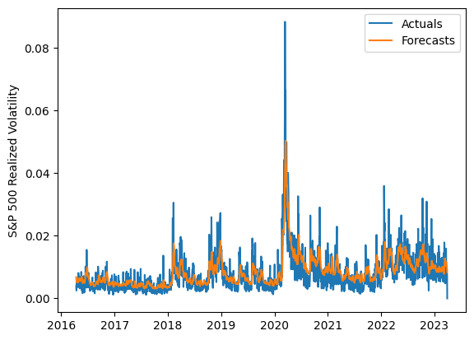
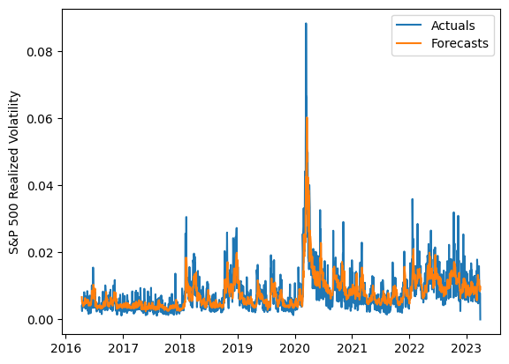
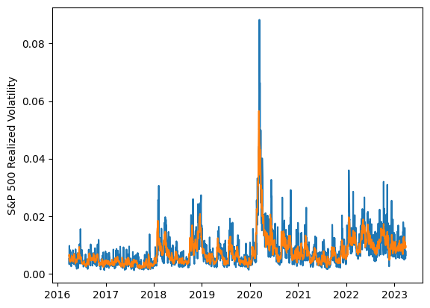
 | LSTM |  |  | TCN |  |  | NBEATSx |  |  |  |  | LSTM |  |  | TCN |  |  | NBEATSx
 | Accuracy | RMSE | Qlike | Accuracy | RMSE | Qlike | Accuracy | RMSE | Qlike |  |  | Accuracy | RMSE | Qlike | Accuracy | RMSE | Qlike | Accuracy | RMSE | Qlike
Trial 1 | 62.75% | 0.26% | 9.64% | 60.47% | 0.27% | 10.68% | 63.82% | 0.25% | 9.57% |  | Mean | 61.04% | 0.266% | 0.105 | 62.21% | 0.267% | 0.102 | 62.99% | 0.256% | 0.097
Trial 2 | 64.98% | 0.26% | 9.18% | 63.90% | 0.27% | 10.06% | 61.40% | 0.26% | 9.33% |  | Standard Deviation | 4.04% | 0.010% | 0.016 | 2.57% | 0.005% | 0.007 | 0.84% | 0.003% | 0.003
Trial 3 | 65.41% | 0.26% | 8.95% | 62.44% | 0.27% | 10.18% | 61.92% | 0.26% | 9.74% |  | 95% CI upper bound | 69.12% | 0.286% | 0.136 | 67.34% | 0.277% | 0.117 | 64.68% | 0.262% | 0.103
Trial 4 | 60.13% | 0.27% | 10.71% | 56.68% | 0.28% | 11.95% | 63.40% | 0.25% | 9.57% |  | 95% CI lower bound | 52.96% | 0.246% | 0.074 | 57.08% | 0.258% | 0.088 | 61.31% | 0.249% | 0.091
Trial 5 | 63.15% | 0.26% | 9.63% | 61.32% | 0.26% | 10.31% | 62.10% | 0.26% | 9.48% |  | 99.7% CI upper bound | 73.16% | 0.296% | 0.151 | 69.91% | 0.282% | 0.124 | 65.52% | 0.266% | 0.107
Trial 6 | 57.04% | 0.28% | 12.10% | 65.19% | 0.26% | 9.35% | 62.34% | 0.26% | 10.04% |  | 99.7% CI lower bound | 48.92% | 0.236% | 0.058 | 54.52% | 0.253% | 0.081 | 60.47% | 0.246% | 0.087
Trial 7 | 59.45% | 0.28% | 11.32% | 61.71% | 0.27% | 10.25% | 63.90% | 0.25% | 9.32%
Trial 8 | 57.98% | 0.27% | 11.51% | 59.75% | 0.26% | 10.98% | 63.30% | 0.25% | 9.34%
Trial 9 | 60.94% | 0.27% | 10.50% | 65.13% | 0.27% | 9.55% | 62.46% | 0.26% | 10.17%
Trial 10 | 61.38% | 0.27% | 10.35% | 64.00% | 0.27% | 9.91% | 62.29% | 0.26% | 10.13%
Trial 11 | 64.51% | 0.26% | 9.20% | 65.47% | 0.27% | 9.37% | 63.51% | 0.25% | 9.38%
Trial 12 | 62.78% | 0.26% | 9.80% | 58.85% | 0.27% | 11.23% | 64.14% | 0.26% | 10.09%
Trial 13 | 62.73% | 0.26% | 9.78% | 61.94% | 0.26% | 10.05% | 63.38% | 0.26% | 9.84%
Trial 14 | 63.04% | 0.26% | 9.56% | 64.58% | 0.27% | 9.71% | 63.07% | 0.26% | 9.94%
Trial 15 | 49.39% | 0.29% | 14.99% | 61.72% | 0.26% | 9.99% | 63.85% | 0.25% | 9.42%

 | LSTM (best trial) |  |  |  |  |  |  |  |  | TCN (best trial) |  |  |  |  |  |  |  |  | NBEATSx (best trial)

